Exhibit-V
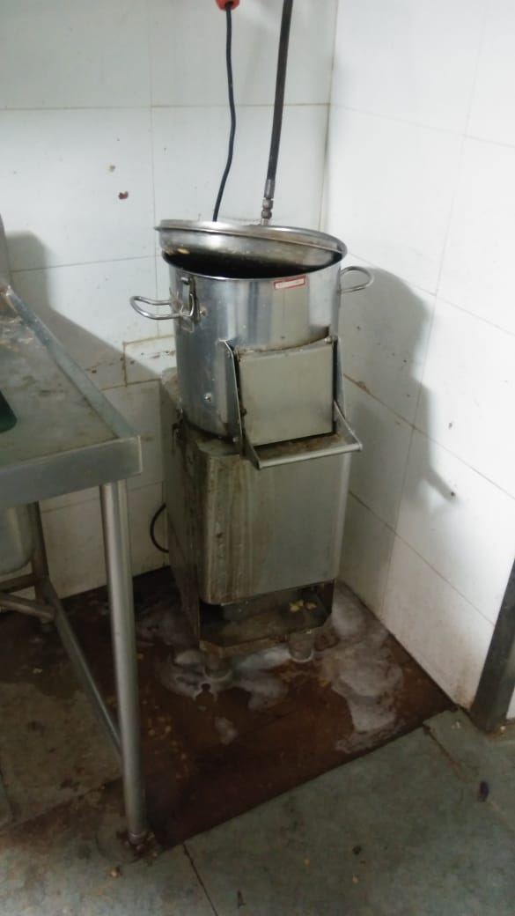
Water stagnated in Commissory

